Ramberg–Osgood Equation
 | Ramberg–Osgood Equation

 |  | Material | S355JR

 |  | Young Modulus | 210000 | N/mm²
 |  | Ultimate strenght Rm | 510 | N/mm²
 |  | Yield strength Re | 196 | N/mm²
 |  | Strain rupture Ɛr | 20 | %
 |  | Offset yield strain Ɛp | 0.2 | %

 |  | Uniform straini Ɛus | 19.76 | %
 |  | Ramberg-Osgood exponent n | 4.80

 | Ramberg-Osgood Engin. Stress - Strain |  |  | Ramberg-Osgood; True Stress - Strain
 | σeng [N/mm²] | Ɛeng [-] |  | σtrue [N/mm²] | Ɛtrue [-] | Ɛpl [-]
1 | 0.00 | 0.00000 |  | 0.00 | 0.00000 | 0.00000
2 | 19.60 | 0.00009 |  | 19.60 | 0.00009 | 0.00000
3 | 39.20 | 0.00019 |  | 39.21 | 0.00019 | 0.00000
4 | 78.40 | 0.00040 |  | 78.43 | 0.00040 | 0.00002
5 | 117.60 | 0.00073 |  | 117.69 | 0.00073 | 0.00017
6 | 156.80 | 0.00143 |  | 157.02 | 0.00143 | 0.00068
7 | 161.70 | 0.00156 |  | 161.95 | 0.00156 | 0.00079
8 | 166.60 | 0.00171 |  | 166.88 | 0.00171 | 0.00091
9 | 171.50 | 0.00187 |  | 171.82 | 0.00187 | 0.00105
10 | 176.40 | 0.00205 |  | 176.76 | 0.00204 | 0.00120
11 | 181.30 | 0.00224 |  | 181.71 | 0.00224 | 0.00137
12 | 186.20 | 0.00245 |  | 186.66 | 0.00245 | 0.00156
13 | 191.10 | 0.00268 |  | 191.61 | 0.00268 | 0.00176
14 | 196.00 | 0.00293 |  | 196.57 | 0.00293 | 0.00199
15 | 227.40 | 0.00517 |  | 228.57 | 0.00515 | 0.00406 | 0.00222
16 | 258.80 | 0.00883 |  | 261.09 | 0.00879 | 0.00755 | 0.00586
17 | 290.20 | 0.01455 |  | 294.42 | 0.01445 | 0.01305 | 0.01152
18 | 321.60 | 0.02311 |  | 329.03 | 0.02284 | 0.02128 | 0.01991
19 | 353.00 | 0.03543 |  | 365.51 | 0.03482 | 0.03308 | 0.03189
20 | 384.40 | 0.05265 |  | 404.64 | 0.05131 | 0.04938 | 0.04838
21 | 415.80 | 0.07607 |  | 447.43 | 0.07332 | 0.07119 | 0.07039
22 | 447.20 | 0.10724 |  | 495.16 | 0.10187 | 0.09951 | 0.09894
23 | 478.60 | 0.14788 |  | 549.38 | 0.13792 | 0.13530 | 0.13499
24 | 510.00 | 0.20000 |  | 612.00 | 0.18232 | 0.17941 | 0.17939
25 | 541.40 | 0.26582 |  | 685.31 | 0.23572 | 0.23245 | 0.23279

 |  |  |  |  | - Вводимые в Ansys данные.

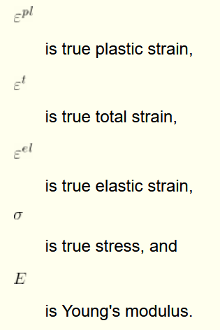

 |  |  |  |  |  |  |  | Nom. Stress | Nom. Strain | True Stress | True Strain | Plastic Strain
 |  |  |  |  |  |  |  | 200 | 0.00095 | 200.2 | 0.0009 | 0.0000
 |  |  |  |  |  |  |  | 240 | 0.025 | 246 | 0.0247 | 0.0235
 |  |  |  |  |  |  |  | 280 | 0.05 | 294 | 0.0488 | 0.0474
 |  |  |  |  |  |  |  | 340 | 0.1 | 374 | 0.0953 | 0.0935
 |  |  |  |  |  |  |  | 380 | 0.15 | 437 | 0.1398 | 0.1377
 |  |  |  |  |  |  |  | 400 | 0.2 | 480 | 0.1823 | 0.1800

